Standard Dev
Date | Bank Visitor
2022-12-01 | 8
2022-12-02 | 1
2022-12-03 | 2 | Mean | 6.1
2022-12-04 | 3 | Stdev | 4.1
2022-12-05 | 3 |  |  | 365 | 14.6
2022-12-06 | 8
2022-12-07 | 1 | Case
2022-12-08 | 8 | If you are the data analyst of the bank, how many chair that you need to prepared to cover 96% of all visitior at least will get the seat?
2022-12-09 | 10 | asumption : the data is normally distributed
2022-12-10 | 5 | Mean + 2 Std. Dev
2022-12-11 | 9 | 14.3
2022-12-12 | 6 | 15 |  |  |  | 48% * 2
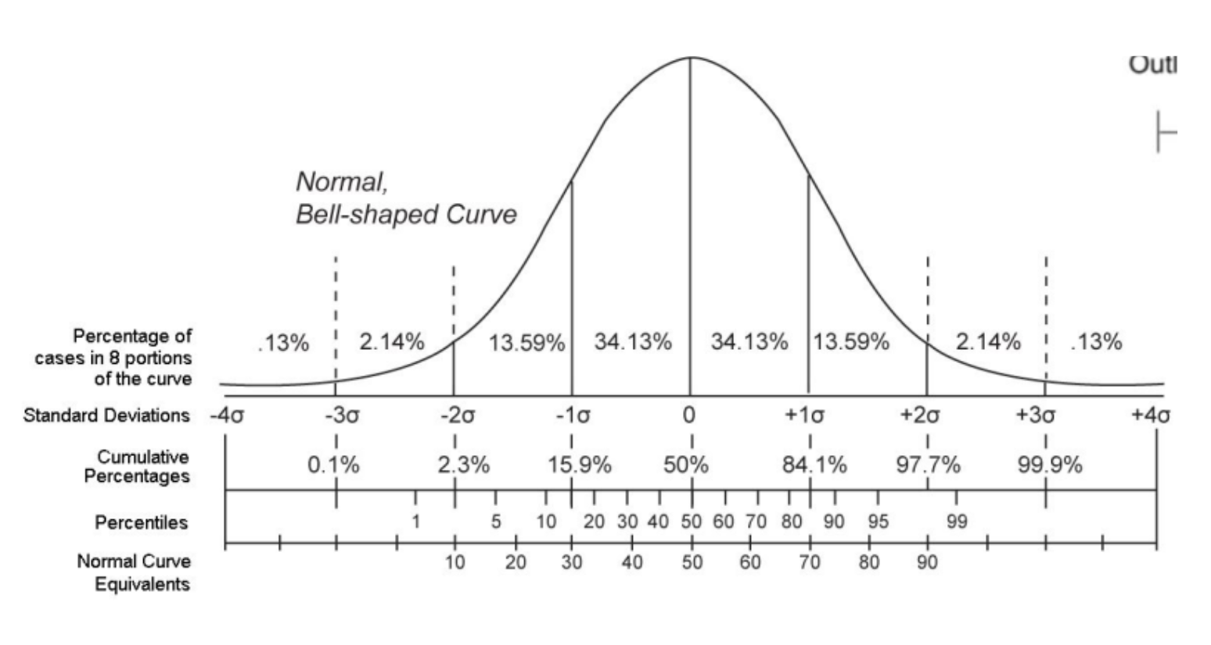
2022-12-13 | 8 |  |  |  |  | 47.72%
2022-12-14 | 2
2022-12-15 | 9 |  |  |  |  | -2.1 | 14.3
2022-12-16 | 4 |  |  |  |  | 0 | 15
2022-12-17 | 20
2022-12-18 | 10
2022-12-19 | 6
2022-12-20 | 1
2022-12-21 | 6
2022-12-22 | 10
2022-12-23 | 7
2022-12-24 | 3 | With assuming the data is normally distributed
2022-12-25 | 5 | We can prepare the chair to cover 96% of the seat at least for
2022-12-26 | 9 | mean + 2 * std.dev
2022-12-27 | 6 | 6,1 + 2 * (4,1)
2022-12-28 | 2 | 14.3
2022-12-29 | 10
2022-12-30 | 1 | 15 chair we need to prep.

Linear Regression & Multiple Re
Month | Visitor
2022-01-01 | 503 | modal belajar buat bikin formula / persamaan dari si linear regresi
2022-02-01 | 510 |  | You are the manager of the museum, you asked to forecast and visualize the forecast of the 2023 Q1 potential visitor
2022-03-01 | 600 |  | 1. Provide a forecast for Q1 2023
2022-04-01 | 650 |  | 2. Provide the visualization (in scatter plot)
2022-05-01 | 600
2022-06-01 | 700
2022-07-01 | 800
2022-08-01 | 750
2022-09-01 | 680
2022-10-01 | 900
2022-11-01 | 1200
2022-12-01 | 1000
2023-01-01 | 1071 | x untuk prediksi
2023-02-01 | 1123
2023-03-01 | 1170

Alternative
 | Multiple Linear Regression
 | X1
 | X2
 | X3
 | Y

 | Y | Harapan Hidup | Nilai 0 artinya tidak, nilai 1 artinya ya
 | X1 | Rata-Rata Kolesterol
 | X2 | Pendapatan Keluarga
 | X3 | Jumlah Anak

Apabila kadar kolesterol total kurang dari 200 mg/dL, maka masih di batas normal. Namun, jika sudah mencapai 200-239 mg/dL termasuk batas tinggi.
Kasusnya yaitu memprediksi harapan hidup setiap pasien berdasarkan rata-rata kolesterol, pendapatan keluarga, dan jumlah anak.

Data Training Dummy:
Nama Pasien | X1 (Rata-Rata Kolesterol "mg/dl") | X2 (Pendapatan Keluarga "Jt") | X3 (Jumlah Anak) | Harapan Hidup | Harapan Hidup | Y (Harapan Hidup) | SUMMARY OUTPUT
Pasien 1 | 205 | 4000000 | 2 | Ya | 1 | 1
Pasien 2 | 198 | 4500000 | 4 | Tidak | 0 | 0 | Regression Statistics
Pasien 3 | 260 | 5000000 | 3 | Tidak | 0 | 0 | Multiple R | 0.75446509537
Pasien 4 | 210 | 10000000 | 1 | Ya | 1 | 1 | R Square | 0.56921758013
Pasien 5 | 220 | 7500000 | 2 | Ya | 1 | 1 | Adjusted R Square | 0.3538263702
Pasien 6 | 215 | 12000000 | 3 | Ya | 1 | 1 | Standard Error | 0.42366575852
Pasien 7 | 300 | 5500000 | 4 | Tidak | 0 | 0 | Observations | 10
Pasien 8 | 180 | 6000000 | 2 | Tidak | 0 | 0
Pasien 9 | 245 | 5000000 | 3 | Tidak | 0 | 0 | ANOVA
Pasien 10 | 235 | 6500000 | 2 | Ya | 1 | 1 |  | df | SS | MS | F | Significance F
Data Testing Dummy |  |  |  |  |  |  | Regression | 3 | 1.4230439503 | 0.47434798345 | 2.6427149943 | 0.14361391724
Pasien 11 | 225 | 7000000 | 2 |  |  | 1 | Residual | 6 | 1.0769560497 | 0.17949267494
 |  |  |  |  |  |  | Total | 9 | 2.5
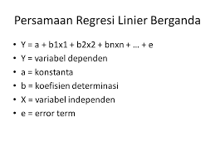
 |  | Harapan Hidup Pasien 11? = 0.6095364322 (X1) + 0.0004806985745 (X2) + 0.0000000817231227 (X3)
 |  |  |  |  |  |  |  | Coefficients | Standard Error | t Stat | P-value | Lower 95% | Upper 95%
 |  | Data Dummy Pasien 11: |  |  |  |  | Intercept | 0.60953643225 | 1.081467633 | 0.56361967168 | 0.59343650902 | -2.0367195305 | 3.255792395
 |  | X1 | 225 |  |  |  | X1 (Rata-Rata Kolesterol "mg/dl") | 0.00048069857452 | 0.0046480905701 | 0.10341850428 | 0.92100093568 | -0.010892769305 | 0.011854166454
 |  | X2 | 7000000 |  |  |  | X2 (Pendapatan Keluarga "Jt") | 8.1723122695E-08 | 5.8471168913E-08 | 1.3976652804 | 0.21170686156 | -6.1350673195E-08 | 2.2479691859E-07
 |  | X3 | 2 |  |  |  | X3 (Jumlah Anak) | -0.29151210721 | 0.17447937732 | -1.6707539405 | 0.14580569174 | -0.71844776255 | 0.13542354814

 |  | Prediksi Harapan Hidup Pasien 11? |  |  | 0.706731256
 |  | Sehingga dibulatkan menjadi / ("if >= 0.5 Ya", "if < 0.5 = Tidak") = |  |  | 1

